Sheet1
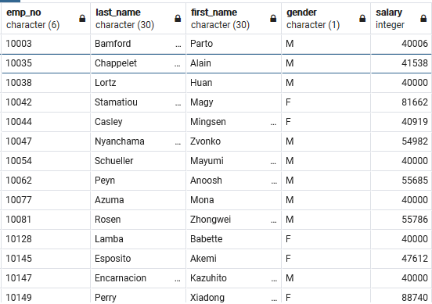
-- Question 1, Employee info and Salary
select employees.emp_no,
last_name,
first_name,
gender,
salary
from employees left outer join salaries
on (employees.emp_no = salaries.emp_no);

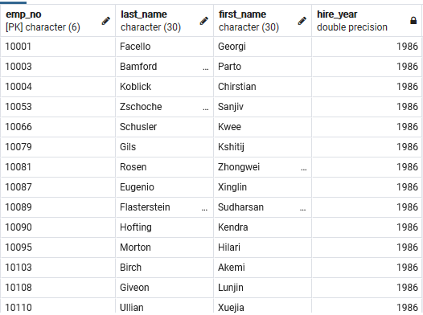
-- Question 2, Employees hired in 1986
select emp_no,
last_name,
first_name,
Extract(year from hire_date) as hire_year
from employees
where hire_date between '1986-01-01' and '1986-12-31';

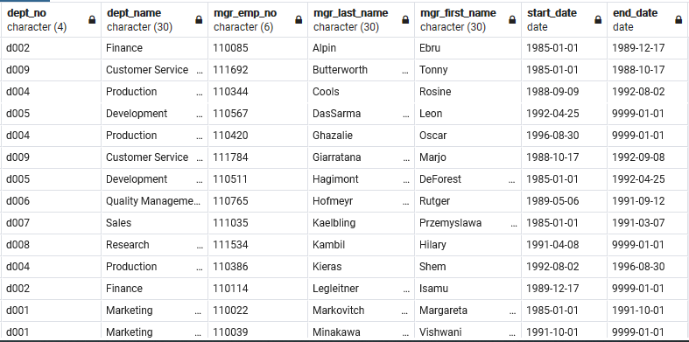
-- Question 3, Manager, Department and Start/End date info
select dm.dept_no,
d.dept_name,
dm.emp_no as Mgr_Emp_no,
e.last_name as Mgr_Last_name,
e.first_name as Mgr_First_name,
dm.from_date as Start_date,
dm.to_date as End_date
--last_name,
#NAME?
from dept_manager dm left outer join departments d
on (dm.dept_no = d.dept_no) left outer join employees e
on (dm.emp_no = e.emp_no)
Order by mgr_last_name, mgr_first_name;

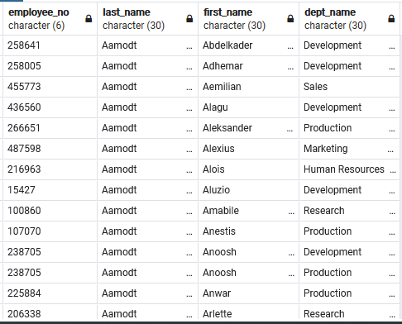
-- Question 4, Employee info with Department Name
select e.emp_no as Employee_no,
e.last_name,
e.first_name,
d.dept_name
from employees e left outer join dept_emp de
on (e.emp_no = de.emp_no) left outer join departments_ee d
on (de.dept_no = d.dept_no)
Order by e.last_name, e.first_name;

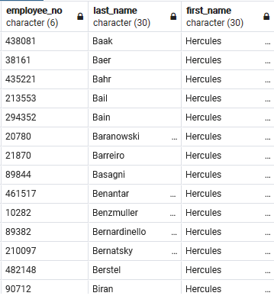
-- Question 5, Employees - Hercules - B
select e.emp_no as Employee_no,
e.last_name,
e.first_name
from employees e
where e.first_name = 'Hercules'
and e.last_name like 'B%'
Order by e.last_name, e.first_name;

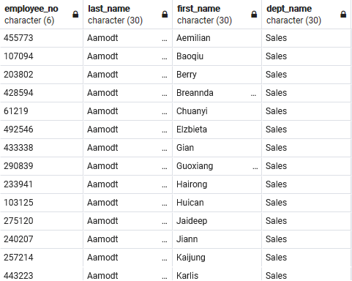
-- Question 6, Employees in Sales Department
select e.emp_no as Employee_no,
e.last_name,
e.first_name,
d.dept_name
from employees e left outer join dept_emp de
on (e.emp_no = de.emp_no) left outer join departments_ee d
on (de.dept_no = d.dept_no)
where d.dept_name = 'Sales'
Order by e.last_name, e.first_name;

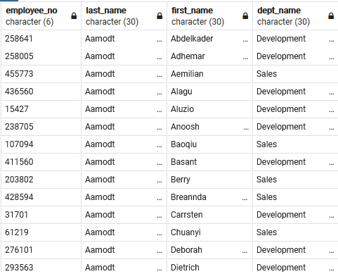
-- Question 7, Employees in Sales and Development Departments
select e.emp_no as Employee_no,
e.last_name,
e.first_name,
d.dept_name
from employees e left outer join dept_emp de
on (e.emp_no = de.emp_no) left outer join departments_ee d
on (de.dept_no = d.dept_no)
where d.dept_name in ('Sales','Development')
Order by e.last_name, e.first_name;

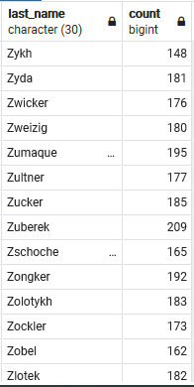
-- Question 8, Employee Last Name Count
select e.last_name,
count(e.last_name)
from employees e
Group By e.last_name
Order by e.last_name desc;

